F-16 Presets
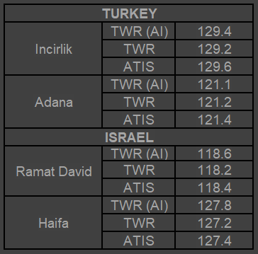
F-16C presets (TRMA) V1.0

COMM 1 (UHF) |  | COMM 2 (VHF)
1 | Internal PRI | 1 | Internal SEC
2 |  | 2
3 |  | 3
4 |  | 4
5 |  | 5
6 |  | 6
7 |  | 7
8 |  | 8
9 |  | 9
10 |  | 10
11 |  | 11
12 |  | 12
13 |  | 13
14 |  | 14
15 |  | 15
16 |  | 16
17 |  | 17
18 |  | 18
19 |  | 19
20 |  | 20

